Sheet1

 |  | HEAD OFFICE:
 |  | Suite 2501, 25th Floor Global Gateway Tower, 63 Wing Hong Street,
 |  | Cheung Sha Wang KOWLOON
 |  | P: +852 2334 1333
 |  | F: +852 2764 1541

 |  | China office:
 |  | Suite 1615, 16th Floor Wanda Centre, DongCheng, DongGuan
 |  | GuangDong, China
 |  | P:+86 769 2738 0293
 |  | F:+86 769 2738 0290 | wendy@u2living.com
 |  |  | U2 Living Dining |  |  |  |  |  |  | 2026.03.24
Sr No | Picture* | Item Description* | Other Relevant Details (material, thickness or gsm, color etc) | model number* | Order Quantity |  | CBM / outer carton measurement L*W*H* | Total CBM* | FOB VIP Price(USD) | Total Amount(US$)
 |  |  |  |  | in Pcs* | Cartons*
1 | 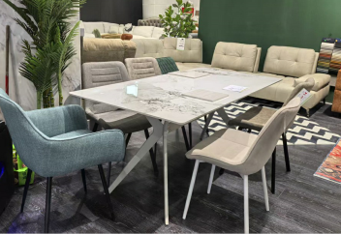 | Nico Dining Table | Color: As picture Material: Porcelain Stone 11mm Chanel White. Creamy White Power Coated Legs 1pc/2ctn | DT-U8012 Dinning Table 180x90x75cm |  | 0 | 0.139 | 0 | $45.99 | $0.00 | 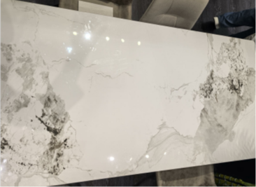
 |  |  | Color: As picture Material: Porcelain Stone 11mm Chanel White. Creamy White Power Coated Legs 1pc/2ctn | DT-U8012 Dinning Table 160x90x75cm |  | 0 | 0.128 | 0 | $39.99 | $0.00
2 |  | Frankfurt Dining Table | Color: Patek Philippe Material: Top 11mm Porcelain +18mm MDF Leg MDF with paper finished 1pc/2ctn | DT-U8016 Dinning Table 240x110x75cm |  | 0 | 1.059 | 0 | $129.99 | $0.00 | 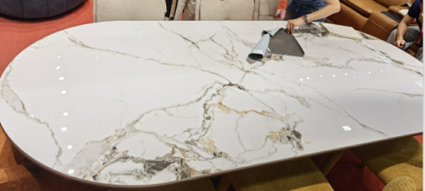
 |  |  | Color: Patek Philippe Material: Top 11mm Porcelain +18mm MDF Leg MDF with paper finished 1pc/2ctn | DT-U8016 Dinning Table 200x100x75cm |  | 0 | 0.582 | 0 | $119.99 | $0.00
 |  |  | Color: Patek Philippe Material: Top 11mm Porcelain +18mm MDF Leg MDF with paper finished 1pc/2ctn | DT-U8016 Dinning Table 180x90x75 cm |  | 0 | 0.434 | 0 | $109.99 | $0.00
3 |  | Ramona Dining Table | Color: Lite brown Material: Top10mm tempered glass table top lite brown Leg MDF with painting 1pc/2ctn | DT-U8017 Dinning Table 180x90x75cm |  | 0 | 0.48 | 0 | $109.99 | $0.00
4 |  | Bogota Dining Table | Color: Lauren black gold Material: 11mm Porcelain Stone. Base Black sandy powder Coating Legs 1pc/3ctn | DT-L003 Dinning ExtensionTable 160-220x90x75cm |  | 0 | 0.382 | 0 | $199.99 | $0.00
5 |  | DC-2002A Chair | Color: FUL005 /BJORN34 Material: Fabric Cover.Leg Black powder coated . 4pcs/ctn | Dining Chair 52×61×87cm |  | 0 | 0.26 | 0 | $14.99 | $0.00
6 |  | DC-U797 Chair | Color: 086-G062 fabric Material: Fabric Cover. Leg Ivory powder coated 4pcs/ctn | Dining Chair 54×62×85cm |  | 0 | 0.25 | 0 | $13.99 | $0.00
7 |  | DC-U4163 Chair | Color: UF995-2 Material: Fabric Cover. Sand black powder coated Leg 360 SWIVEL 4pcs/ctn | Dining Chair 52x55x81cm |  | 0 | 0.288 | 0 | $25.99 | $0.00
8 |  | DC-U2502 Chair | Color: FABB Maloy Fabric Material: Fabric cover back and seat ,360 degree swivel 1pc/ctn | Dining Chair 60x64x82cm |  |  | 0.18 | 0 | $29.99 | $0.00 |  | 
9 |  | AC-U2414 Chair | Color: 086-G062 fabric Material: Fabric Cover. powder coating K/D leg 1pc/ctn | Dining Chair 55x64x73cm |  |  | 0.152 | 0 | $33.99 | $0.00
10 |  | AC-U8052 Chair | Color: HOL110-6 Fabric Material: Fabric Cover. Powder Coated Legs 1pc/ctn | Dining Chair 61x75x81cm |  |  | 0.247 | 0 | $33.99 | $0.00
11 |  | AC-U1752 Chair | Color: Aragon Fabric cover Material: Fabric Cover.Powder Coated Legs 2pcs/ctn | Dining Chair 57x76x86cm |  | 0 | 0.236 | 0 | $33.99 | $0.00
12
12 | 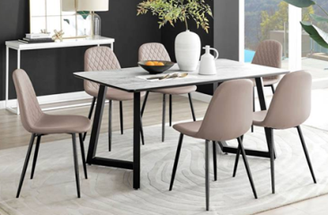 | Porto 7Pcs Dining Set (1 Table+6 Chair) | Color: As picture Material: 11mm Grey Porcelaim Stone, Black Power Coated Legs 1pc/2ctn | DT-U8013 Dinning Table 160x90x75cm |  | 0 | 0.249 | 0 | $115.99 | $0.00
 |  |  | Color: As picture Linen Fabric 028-4Taupe Material: Black Powder Coated Legs 4pcs/ctn | DC-802 Dining Chair 45x54x85cm |  | 0 | 0.192 | 0
 |  |  |  |  |  |  |  | 0.000 |  | $0.00
 | MOQ: Table 50pcs Chair 100pcs per color
Bank Name: Bank of China (Hong Kong) Limited |  |  |  | COMMENT
Beneficiary: U2 Living Corporation Limited |  |  |  |  |  |  |  | TOTAL USD: |  | $0.00
Address: Unit 2501, Global Gateway Tower, |  |  |  | FOB China.
63 Wing Hong Street, Cheung Sha Wan, Kln, H.K. |  |  |  | Payment term:30% Deposit Balance Due 7Days After Shipping
Account No: 01239492045934 |  |  |  | Made In China |  |  |  | Paid:
SWIFT Code: BKCHHKHH
Bank Address: 4-4A Humprey’s Ave, Tsim Sha |  |  |  |  |  |  |  | Balance |  | US$0.00
Tsui, Kowloon, Hong Kong
 |  |  |  |  |  | Purchaser's Signature:

